resultados
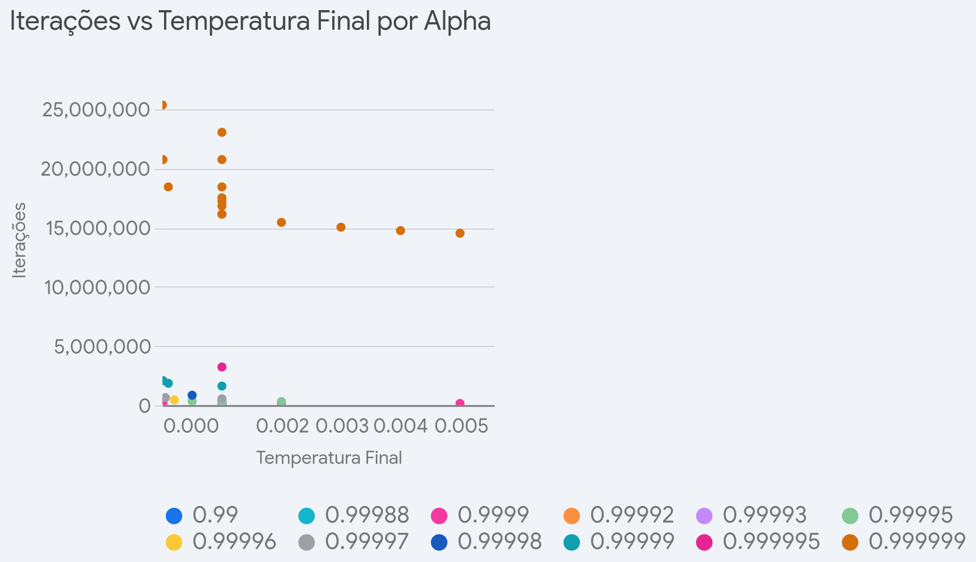
T_inicial | T_final | alpha | custo | iteracoes | custo/interacao
10000 | 0.005 | 0.999999 | 17,675.70 | 14,508,651.00 | 0.001218286938
10000 | 0.004 | 0.999999 | 17,705.20 | 14,731,794.00 | 0.001201835975
10000 | 0.001 | 0.999999 | 17,813.90 | 16,118,088.00 | 0.001105211735
10000 | 0.003 | 0.999999 | 17,528.10 | 15,019,476.00 | 0.001167024735
10000 | 0.002 | 0.999999 | 17,542.90 | 15,424,941.00 | 0.00113730743
10000 | 0.0001 | 0.999999 | 17,628.10 | 18,420,672.00 | 0.0009569737738
10000 | 0.00001 | 0.999999 | 17,660.60 | 20,723,256.00 | 0.0008522116409
10000 | 0.0000001 | 0.999999 | 17,831.80 | 25,328,424.00 | 0.0007040232744
10000 | 0.001 | 0.99 | 156,990.00 | 1,604.00 | 97.87406484
100000 | 0.001 | 0.999999 | 17,545.70 | 18,420,672.00 | 0.0009525005385
1000000 | 0.001 | 0.999999 | 17,559.40 | 20,723,256.00 | 0.0008473282384
10000000 | 0.001 | 0.999999 | 18,078.50 | 23,025,840.00 | 0.0007851396518
10000 | 0.001 | 0.99988 | 27,959.40 | 134,310.00 | 0.20817065
10000 | 0.005 | 0.9999 | 25,997.20 | 145,080.00 | 0.1791921698
10000 | 0.002 | 0.9999 | 26,192.50 | 154,242.00 | 0.1698143178
10000 | 0.001 | 0.9999 | 25,416.00 | 161,173.00 | 0.1576939065
10000 | 0.001 | 0.99992 | 24,635.80 | 201,469.00 | 0.1222808472
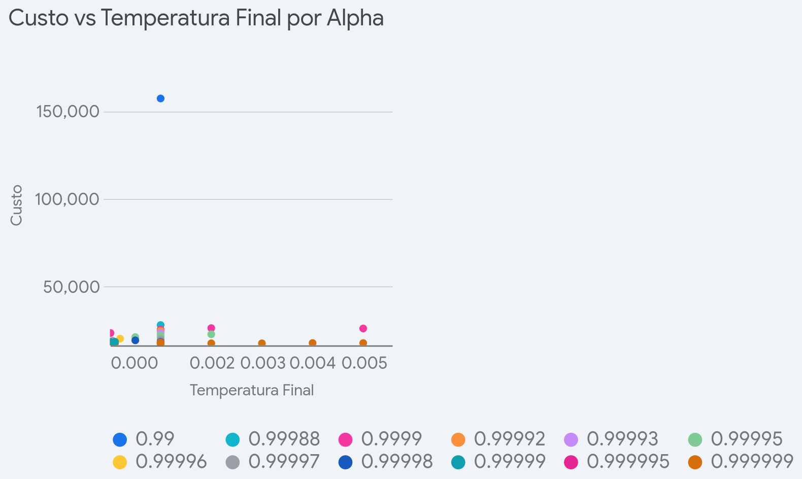
10000 | 0.00001 | 0.9999 | 23,400.50 | 207,223.00 | 0.112924241
10000 | 0.001 | 0.99993 | 23,437.20 | 230,251.00 | 0.1017897859
10000 | 0.002 | 0.99995 | 22,685.00 | 308,492.00 | 0.07353513219
10000 | 0.001 | 0.99995 | 21,202.70 | 322,354.00 | 0.06577458322
10000 | 0.001 | 0.99995 | 21,987.20 | 322,354.00 | 0.06820824311
10000 | 0.0005 | 0.99995 | 21,100.30 | 336,217.00 | 0.06275798071
10000 | 0.0002 | 0.99996 | 20,176.40 | 443,180.00 | 0.04552642267
10000 | 0.001 | 0.99997 | 19,798.50 | 537,262.00 | 0.03685073577
10000 | 0.00005 | 0.99997 | 19,003.80 | 637,119.00 | 0.0298277088
10000 | 0.0005 | 0.99998 | 19,231.70 | 840,554.00 | 0.02287979119
10000 | 0.001 | 0.99999 | 18,570.60 | 1,611,802.00 | 0.01152163851
10000 | 0.0001 | 0.99999 | 18,391.20 | 1,842,059.00 | 0.009984045028
10000 | 0.00001 | 0.99999 | 18,311.40 | 2,072,317.00 | 0.008836196393
10000 | 0.001 | 0.999995 | 18,135.20 | 3,223,612.00 | 0.005625739078
10000 | 0.001 | 0.999999 | 17,381.00 | 16,118,088.00 | 0.00107835371
20000 | 0.001 | 0.999999 | 17,713.90 | 16,811,235.00 | 0.001053694152
30000 | 0.001 | 0.999999 | 17,438.60 | 17,216,700.00 | 0.001012888649
40000 | 0.001 | 0.999999 | 17,842.30 | 17,504,382.00 | 0.001019304766

